Table 2.4
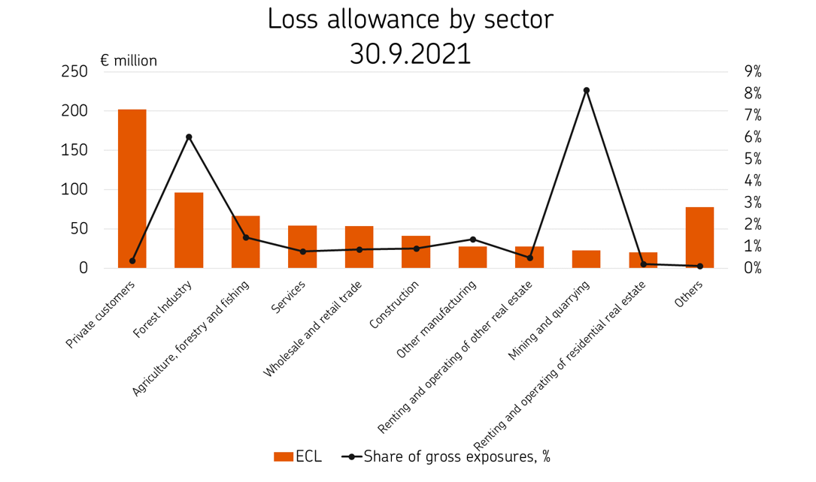
2.4 Loss allowance by sector

The graph shows the loss allowance of different sectors at the end of the reporting period and the ratio of loss allowance to gross exposures of the sector at the end of the reporting period.

