Table 1.2
1.2 Overview of total risk exposure amounts (EU OV1)

OP Financial Group received IRBA permission in stages between 2008–2011. OP Financial Group has used the Foundation Internal Ratings Based Approach (FIRB) to measure capital requirement for corporate and credit institution exposures. This approach uses internal credit ratings to determine a customer’s probability of default (PD), whereas loss given default (LGD) and credit conversion factor (CCF) are regulatory standard estimates. The Group has used the Internal Ratings Based Approach (IRBA) to measure capital requirement for retail exposures. This approach uses internal credit ratings to determine a customer’s PD. Also LGD and CCF are estimated internally. The Standardised Approach is used for OP Retail Customers plc's exposures. OP Retail Customers plc aims to adopt IRBA for its exposures.

It is possible to use various methods to measure capital adequacy requirement for equity investments. In the PD/LGD method, investments’ risk-weighted exposure is calculated using PD, based on internal credit rating, and a regulatory standard LGD. According to the Simple Risk Weight Approach, investments’ risk-weighted exposure amount derives from multiplying each investment by the risk-weight determined by the type of investment. OP Financial Group plans to change to Simple Risk Weight approach for all equities during 2022.

OP Financial Group has used the Standardised Approach to measure capital requirement for operational risks and market risks. Also Counterparty credit risk is calculated according to the standardised approach (SA-CCR).

EUR million |  | Total risk exposure amounts (TREA) |  | Total own funds requirements
 |  | a | b | c
 |  | 31 Dec 2021 | 30 Sep 2021 | 31 Dec 2021
1 | Credit risk (excluding CCR) | 56,064 | 55,157 | 4,485
2 | Of which the standardised approach | 5,575 | 5,470 | 446
3 | Of which the Foundation IRB (F-IRB) approach | 30,059 | 28,998 | 2,405
EU 4a | Of which equities under the simple riskweighted approach | 328 | 327 | 26
4b | Of which equity investments under PD/LGD method | 6,783 | 6,780 | 543
5 | Of which the Advanced IRB (A-IRB) approach | 13,319 | 13,581 | 1,066
6 | Counterparty credit risk - CCR | 1,149 | 1,176 | 92
7 | Of which the standardised approach | 942 | 973 | 75
EU 8a | Of which exposures to a CCP | 3 | 2 | 0
EU 8b | Of which credit valuation adjustment - CVA | 204 | 201 | 16
9 | Of which other CCR
15 | Settlement risk |  | 1
16 | Securitisation exposures in the non-trading book (after the cap) | 94 | 85 | 7
18 | Of which SEC-ERBA (including IAA) | 94 | 85 | 7
20 | Position, foreign exchange and commodities risks (Market risk) | 1,380 | 1,289 | 110
21 | Of which the standardised approach | 1,380 | 1,289 | 110
23 | Operational risk | 3,786 | 3,786 | 303
EU 23b | Of which standardised approach | 3,786 | 3,786 | 303
24 | Amounts below the thresholds for deduction (subject to 250% risk weight) | 258 | 283 | 21
24b | Other risks | 3,000 |  | 240
29 | Total | 65,731 | 61,776 | 5,258

The risk exposure amount (REA) totalled EUR 65.7 billion (59.7), or 10% higher than at the turn of the year. In March, the ECB set a parameter factor for corporate exposures, based on the TRIM (Targeted Review of Internal Models) on corporate exposures, which increased the risk-weighted assets of corporate exposures. In March OP Financial Group added conservatism to the credit conversion factor for retail exposures, which increased the risk-weighted assets of retail exposures. The revised Capital Requirements Directive and Regulation (CRR2) came into force in June, which increased counterparty risk associated with derivatives as anticipated. In September, OP Financial Group adopted calibrated parameters in retail and corporate exposures. This adoption slightly increased risk-weighted assets and slightly decreased expected loss. In December, OP Financial Group proactively increased the amount of risk-weighted assets (RWA) to account for future changes in the scope of application of internal models (IRBA) and in the method for measuring insurance companies’ risk weights. The proactive RWA add-on weakened the CET1 ratio by approximately 1.0 percentage point.

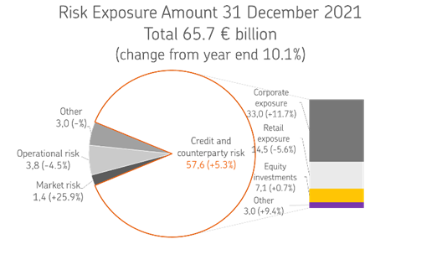

On 25 April 2019, OP Financial Group received the ECB’s decision on increases in the risk weights of mortgage-backed retail exposures as part of the targeted review of internal models (TRIM). These risk weight increases will be valid until further notice, until the qualitative requirements set out in the decision have been met. On 19 February 2020, OP Financial Group received the ECB’s decision concerning the change in the definition of default, in which the ECB set risk weighting factors for corporate and retail exposures. These risk-weighting factors will be valid until the qualitative requirements set out in the decision have been met. On 11 December 2020, OP Financial Group received the ECB’s decision concerning increases in the risk weights of retail exposures. The decision overruled the ECB’s earlier decision issued on 2 February 2017. On 18 March 2021, OP Financial Group received the ECB’s decision concerning an increase in the risk parameter of corporate exposures. This risk parameter factor will be valid until the qualitative requirements set out in the decision have been met.

Table 1.3
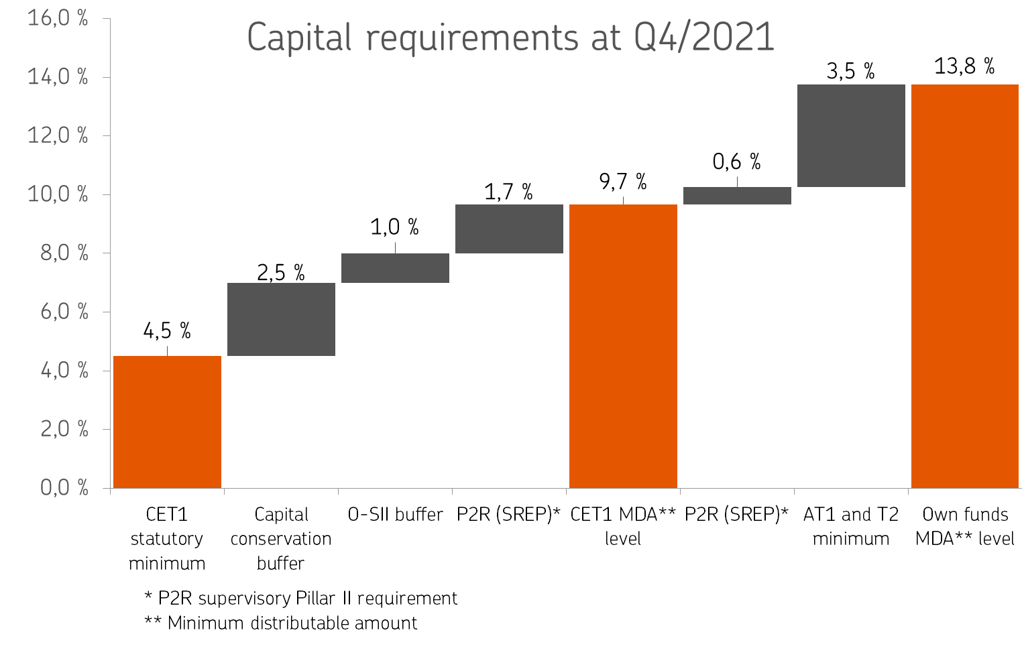
1.3 Capital Ratios

Ratios, % | 31 Dec 2021 | 31 Dec 2020
CET1 capital ratio | 18.20 | 18.91
Tier 1 ratio | 18.20 | 18.98
Capital adequacy ratio | 20.41 | 21.66

Ratios, fully loaded, % | 31 Dec 2021 | 31 Dec 2020
CET1 capital ratio | 18.20 | 18.91
Tier 1 ratio | 18.20 | 18.91
Capital adequacy ratio | 20.19 | 21.59

OP Financial Group’s CET1 ratio was 18.2% (18.9). The ratio was lowered by the ECB’s decision, which increased the risk-weighted assets of corporate exposures, and by the proactive addition to the amount of risk-weighted assets to account for future changes in the scope of application of internal models and in the method for measuring insurance companies’ risk weights. The ratio was improved by the favourable earnings performance and the issues of Profit Shares.

Capital requirement, EUR million | 31 Dec 2021 | 31 Dec 2020
Capital base | 13,413 | 12,933
Capital requirement | 9,041 | 8,213
Buffer for capital requirements | 4,373 | 4,719

As a credit institution, OP Financial Group's capital adequacy is on a solid basis compared to the statutory requirements and those set by the authorities. The capital requirement of 13.8% comprises the minimum requirement of 8%, the capital conservation buffer of 2.5%, the O-SII buffer requirement of 1.0%, the minimum requirement (P2R) of 2.25% set by the ECB and the changing capital conservation buffers by country for foreign exposures.

