Table 1.2
1.2 Overview of total risk exposure amounts (EU OV1)

OP Financial Group received IRBA permission in stages between 2008–2011. OP Financial Group has used the Foundation Internal Ratings Based Approach (FIRB) to measure capital requirement for corporate and credit institution exposures. This approach uses internal credit ratings to determine a customer’s probability of default (PD), whereas loss given default (LGD) and credit conversion factor (CCF) are regulatory standard estimates. The Group has used the Internal Ratings Based Approach (IRBA) to measure capital requirement for retail exposures. This approach uses internal credit ratings to determine a customer’s PD. Also LGD and CCF are estimated internally. The Standardised Approach is used for OP Retail Customers plc's exposures. OP Retail Customers plc aims to adopt IRBA for its exposures.

It is possible to use various methods to measure capital adequacy requirement for equity investments. In the PD/LGD method, investments’ risk-weighted exposure is calculated using PD, based on internal credit rating, and a regulatory standard LGD. According to the Simple Risk Weight Approach, investments’ risk-weighted exposure amount derives from multiplying each investment by the risk-weight determined by the type of investment. OP Financial Group plans to change to Simple Risk Weight approach for all equities during 2022.

OP Financial Group has used the Standardised Approach to measure capital requirement for operational risks and market risks. Also Counterparty credit risk is calculated according to the standardised approach (SA-CCR).

OP Financial Group will apply an RWA floor, based on the standardised approach, in the calculation of its capital adequacy ratio
OP Financial Group has decided to apply a risk-weighted assets (RWA) floor – based on the standardised approach – in the calculation of its capital adequacy ratio as of the second quarter of 2022. This is due to enhanced regulatory requirements and discussions with the European Central Bank (ECB) on the application of the Internal Ratings Based Approach (IRBA).

OP Financial Group’s capital adequacy will remain strong, despite the application of the floor. Application of the floor is estimated to decrease OP Financial Group’s CET1 ratio by no more than 3 percentage points and its FiCo ratio by no more than 30 percentage points. After the floor has been applied, it is estimated that the Group’s CET1 ratio will exceed the minimum regulatory requirement by over 5 percentage points and that the financial conglomerate’s FiCo ratio will exceed the minimum requirement by over 20 percentage points.

Application of the floor is a temporary capital measure which will not affect OP Financial Group’s good risk position. The impact of the floor will be eliminated in stages over the coming years, as the ECB approves the Group’s development measures regarding the Internal Ratings Based Approach.

EUR million |  | Total risk exposure amounts (TREA) |  | Total own funds requirements
 |  | a | b | c
 |  | 31 March 2022 | 31 Dec 2021 | 31 March 2022
1 | Credit risk (excluding CCR) | 55,734 | 56,064 | 4,459
2 | Of which the standardised approach | 5,499 | 5,575 | 440
3 | Of which the Foundation IRB (F-IRB) approach | 30,174 | 30,059 | 2,414
EU 4a | Of which equities under the simple riskweighted approach | 352 | 328 | 28
4b | Of which equity investments under PD/LGD method | 6,782 | 6,783 | 543
5 | Of which the Advanced IRB (A-IRB) approach | 12,928 | 13,319 | 1,034
6 | Counterparty credit risk - CCR | 928 | 1,149 | 74
7 | Of which the standardised approach | 710 | 942 | 57
EU 8a | Of which exposures to a CCP | 5 | 3 | 0
EU 8b | Of which credit valuation adjustment - CVA | 213 | 204 | 17
15 | Settlement risk
16 | Securitisation exposures in the non-trading book (after the cap) | 98 | 94 | 8
18 | Of which SEC-ERBA (including IAA) | 98 | 94 | 8
20 | Position, foreign exchange and commodities risks (Market risk) | 1,470 | 1,380 | 118
21 | Of which the standardised approach | 1,470 | 1,380 | 118
23 | Operational risk | 3,851 | 3,786 | 308
EU 23b | Of which standardised approach | 3,851 | 3,786 | 308
24 | Amounts below the thresholds for deduction (subject to 250% risk weight) | 313 | 258 | 25
24b | Other risks | 3,000 | 3,000 | 240
29 | Total | 65,395 | 65,731 | 5,232

The risk exposure amount (REA) totalled EUR 65.4 billion (65.7), or 0.5% smaller than at the turn of the year. OP Financial Group proactively increased the amount of risk-weighted assets (RWA) to account for future changes in the scope of application of internal models (IRBA) and in the method for measuring insurance companies’ risk weights. The proactive RWA add-on weakened the CET1 ratio by approximately 1.0 percentage point.

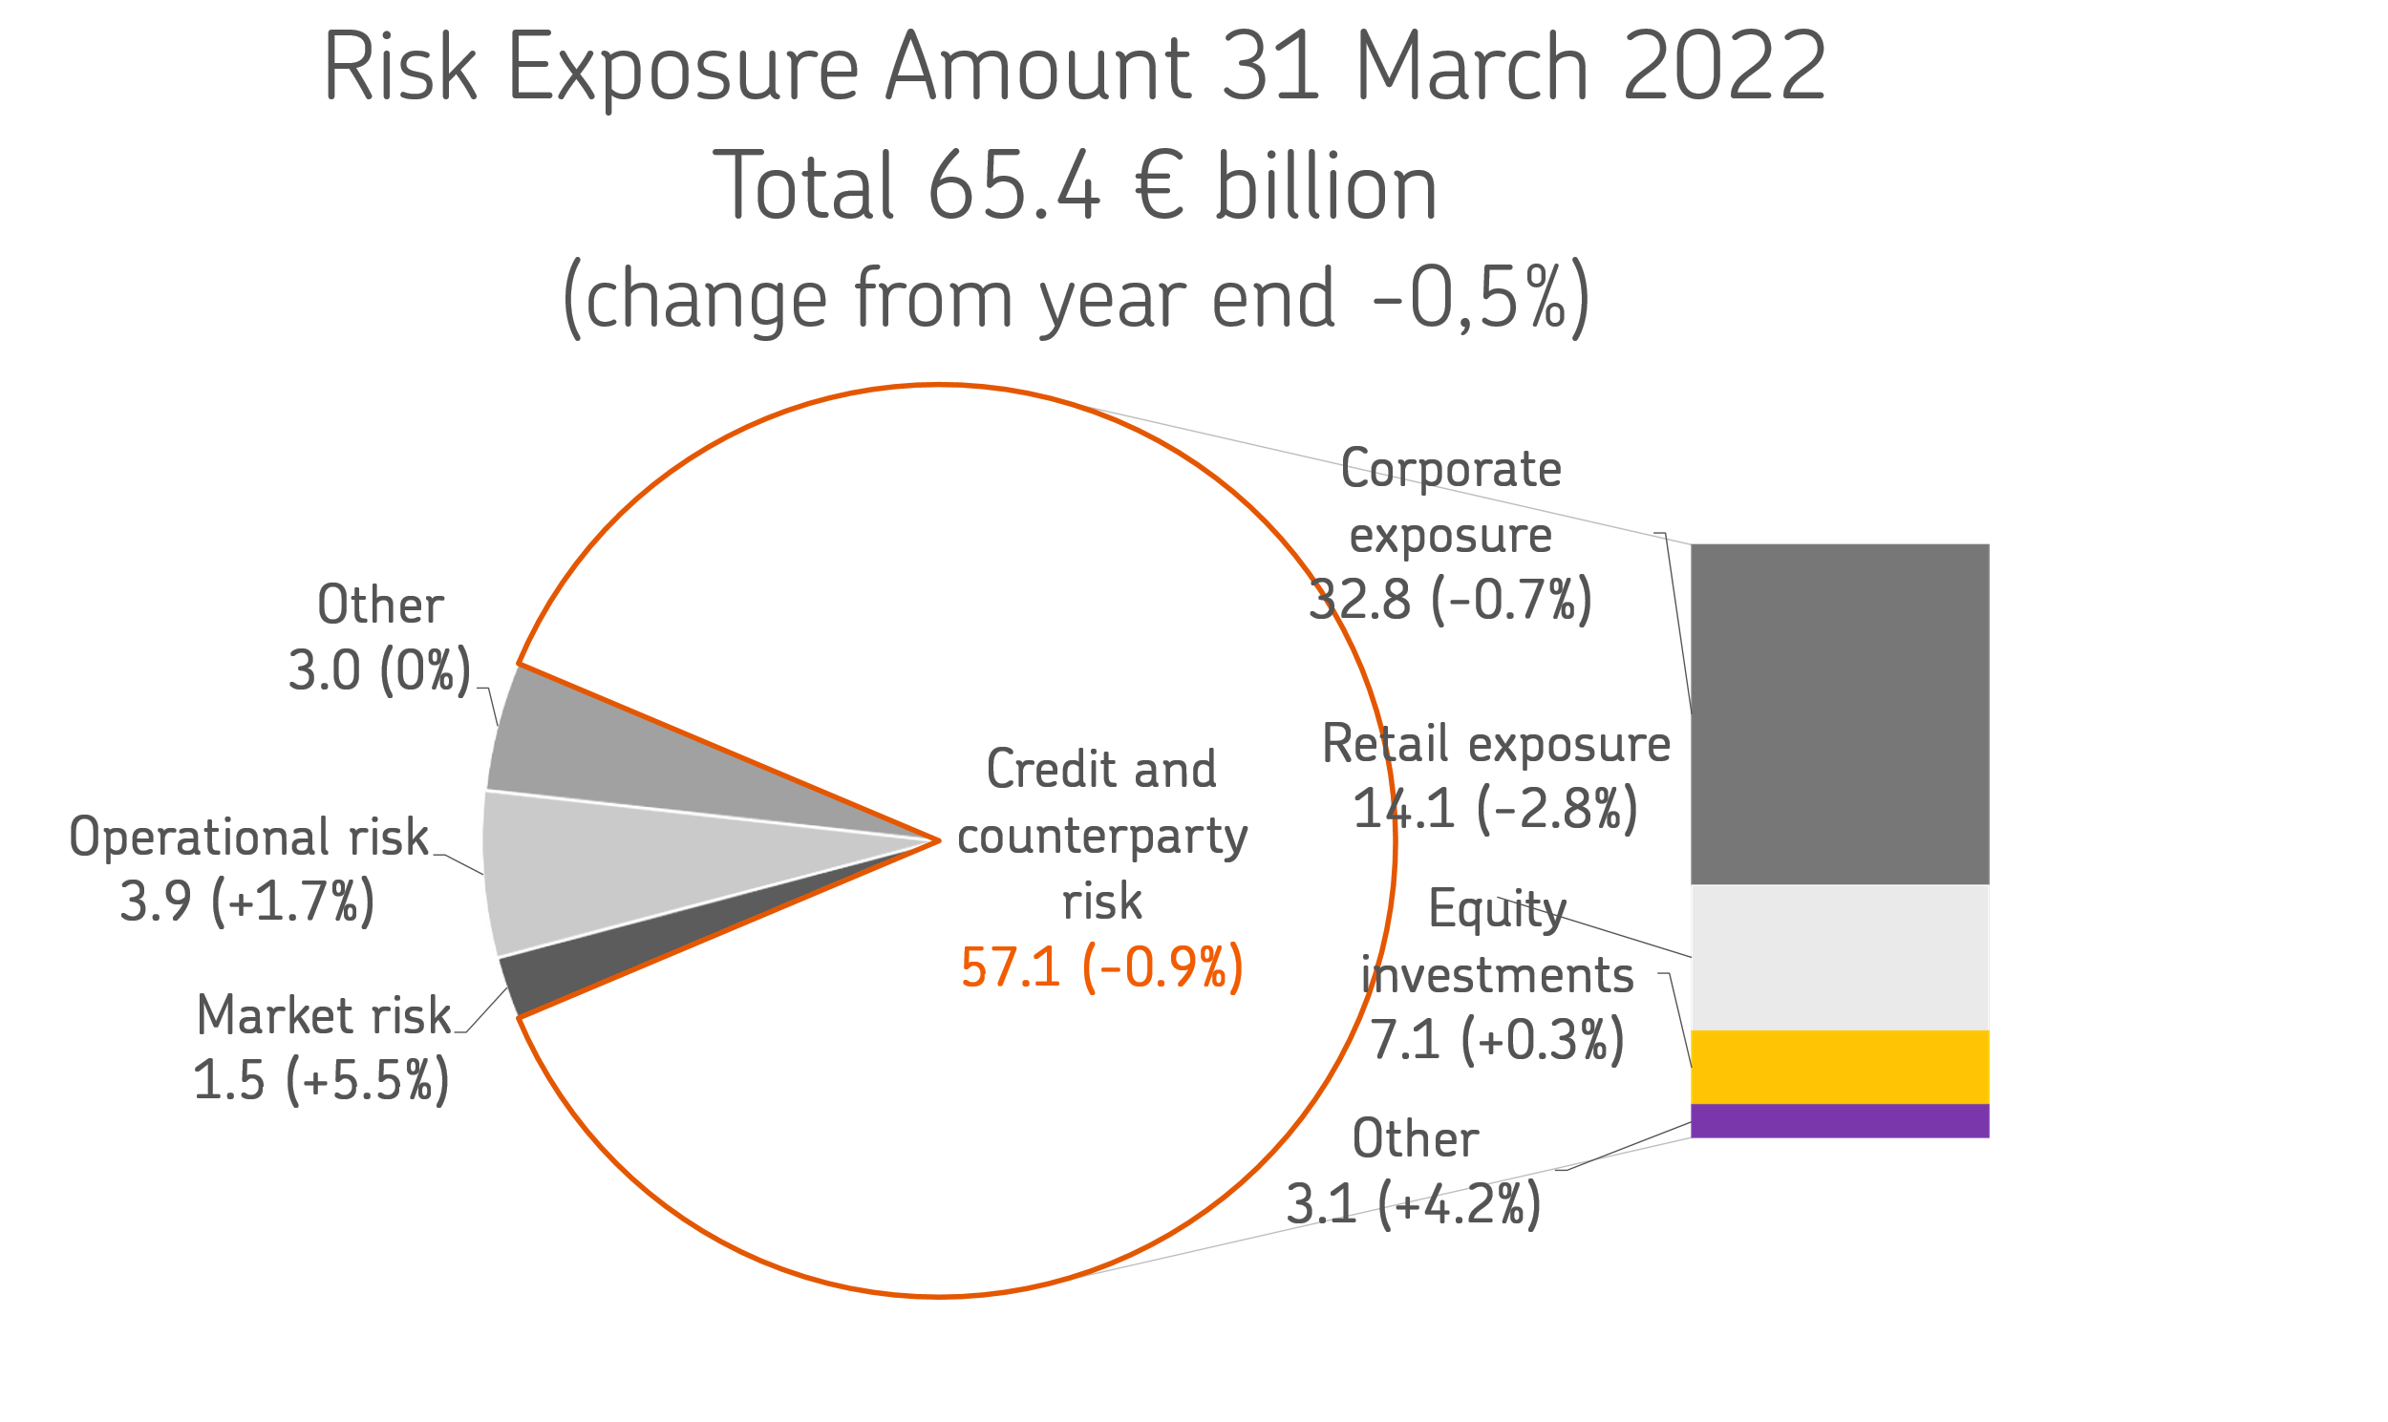

On 25 April 2019, OP Financial Group received the ECB’s decision on increases in the risk weights of mortgage-backed retail exposures as part of the targeted review of internal models (TRIM). These risk weight increases will be valid until further notice, until the qualitative requirements set out in the decision have been met. On 19 February 2020, OP Financial Group received the ECB’s decision concerning the change in the definition of default, in which the ECB set risk weighting factors for corporate and retail exposures. These risk-weighting factors will be valid until the qualitative requirements set out in the decision have been met. On 11 December 2020, OP Financial Group received the ECB’s decision concerning increases in the risk weights of retail exposures. The decision overruled the ECB’s earlier decision issued on 2 February 2017. On 18 March 2021, OP Financial Group received the ECB’s decision concerning an increase in the risk parameter of corporate exposures. This risk parameter factor will be valid until the qualitative requirements set out in the decision have been met.

Table 1.3
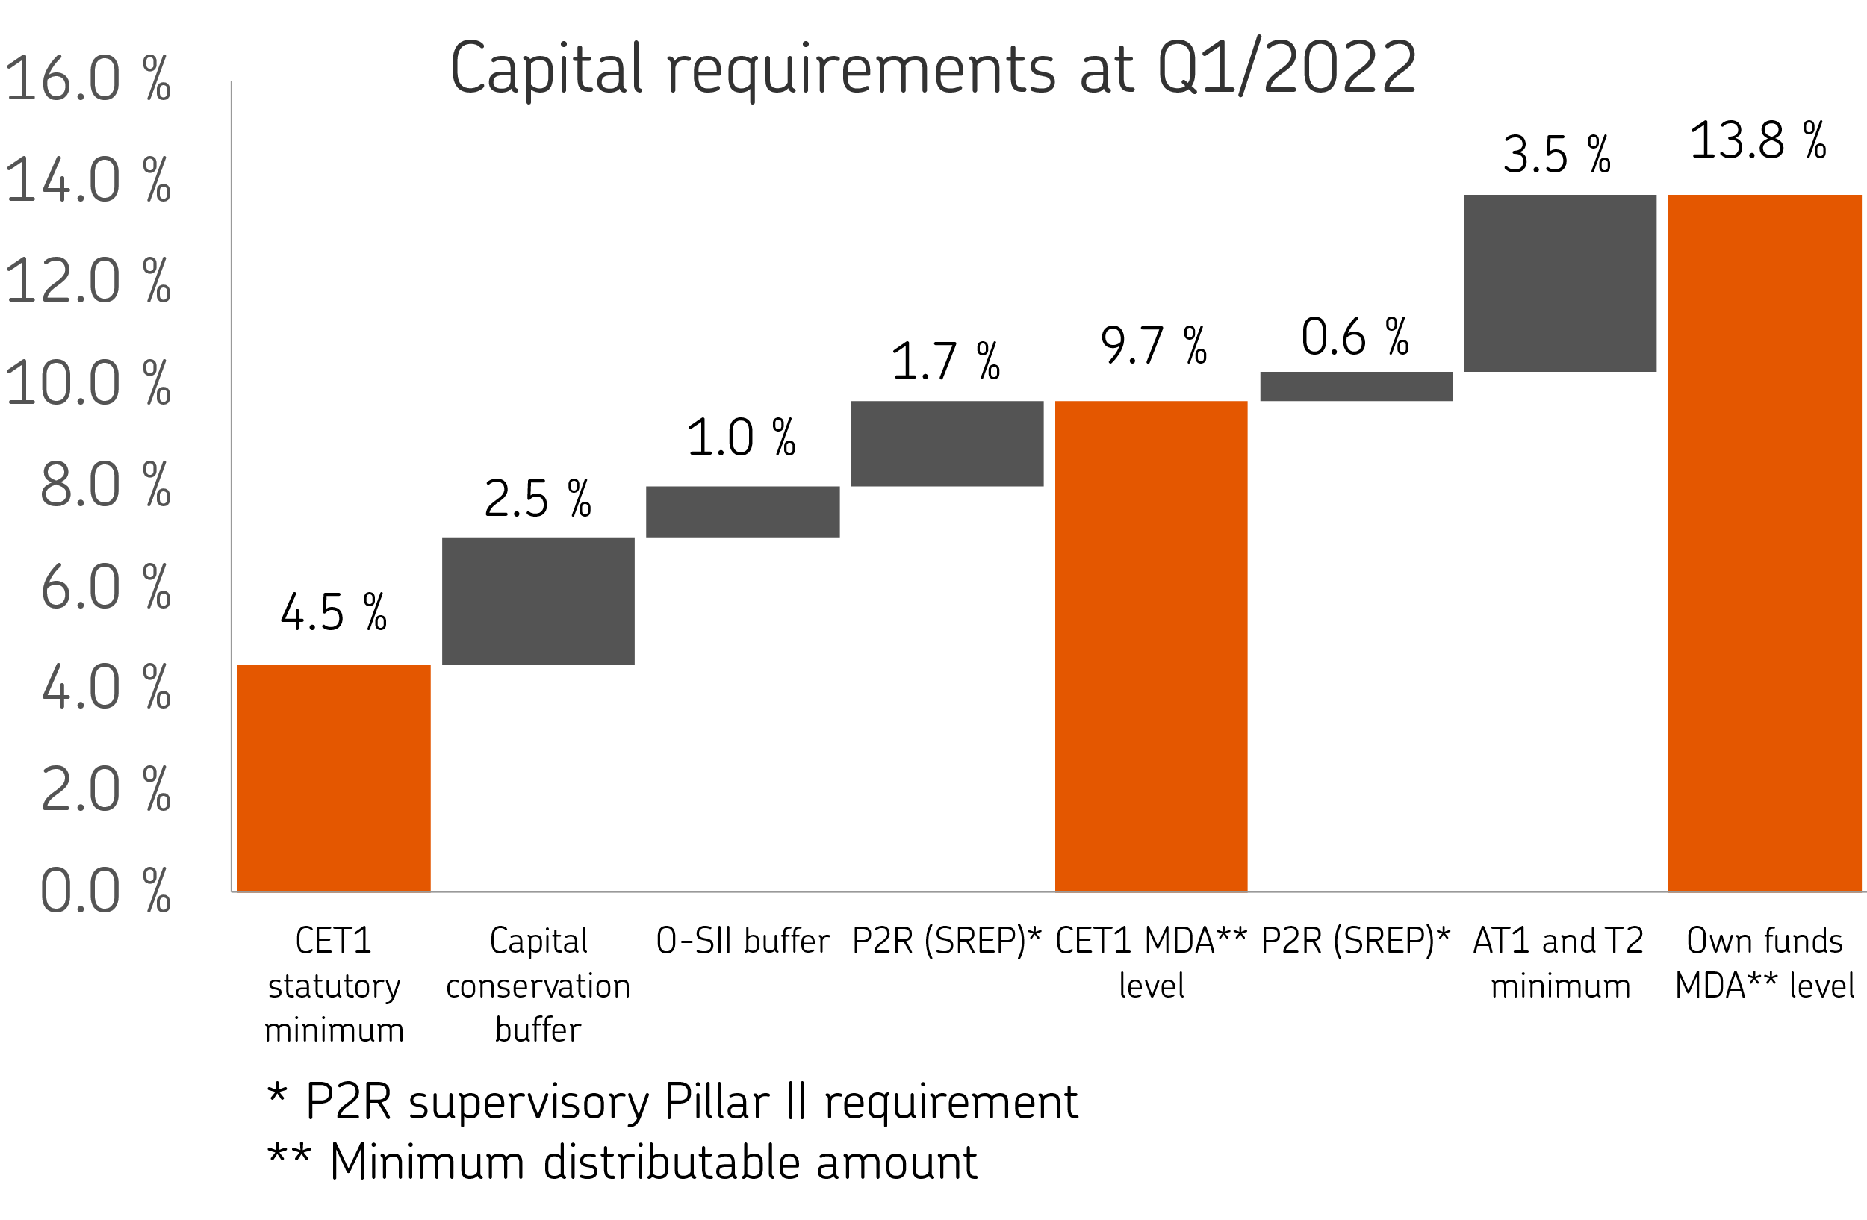
1.3 Capital Ratios

Ratios, % | 31 March 2022 | 31 Dec 2021
CET1 capital ratio | 18.43 | 18.20
Tier 1 ratio | 18.43 | 18.20
Capital adequacy ratio | 20.61 | 20.41

Ratios, fully loaded, % | 31 March 2022 | 31 Dec 2021
CET1 capital ratio | 18.43 | 18.20
Tier 1 ratio | 18.43 | 18.20
Capital adequacy ratio | 20.43 | 20.19

OP Financial Group's CET1 ratio was 18.4% (18.2), which exceeds the minimum regulatory requirement by 8.7 percentage points. The ratio was improved by earnings performance and the issues of Profit Shares. The CET1 ratio is expected to decrease by no more than 3 percentage points during the second quarter as a result of the application of the floor based on the Standardised Approach. After the floor has been applied, it is estimated that the Group’s CET1 ratio will exceed the minimum regulatory requirement by over 5 percentage points.

Capital requirement, EUR million | 31 March 2022 | 31 Dec 2021
Capital base | 13,476 | 13,413
Capital requirement | 8,996 | 9,041
Buffer for capital requirements | 4,481 | 4,373

As a credit institution, OP Financial Group's capital adequacy is on a solid basis compared to the statutory requirements and those set by the authorities. The capital requirement of 13.8% comprises the minimum requirement of 8%, the capital conservation buffer of 2.5%, the O-SII buffer requirement of 1.0%, the minimum requirement (P2R) of 2.25% set by the ECB and the changing capital conservation buffers by country for foreign exposures.

