Table 1.2
1.2 Overview of total risk exposure amounts (EU OV1)

OP Financial Group received IRBA permission in stages between 2008–2011. OP Financial Group has used the Foundation Internal Ratings Based Approach (FIRB) to measure capital requirement for corporate exposures. This approach uses internal credit ratings to determine a customer’s probability of default (PD), whereas loss given default (LGD) and credit conversion factor (CCF) are regulatory standard estimates. The Group has used the Advanced Internal Ratings Based approach (AIRB) to measure capital requirement for retail exposures. This approach uses internal credit ratings to determine a customer’s PD. Also LGD and CCF are estimated internally. The Standardised Approach is used for institution exposures, certain minor parts of corporate exposures and OP Retail Customers plc's exposures.

It is possible to use various methods to measure capital adequacy requirement for equity investments. In the PD/LGD method, investments’ risk-weighted exposure is calculated using PD, based on internal credit rating, and a regulatory standard LGD. According to the Simple Risk Weight Approach, investments’ risk-weighted exposure amount derives from multiplying each investment by a risk-weight determined by the type of investment. OP Financial Group has changed to Simple Risk Weight Approach for all equities during Q2/2022. Until Q1/2022 the PD/LGD method was used for strategic investments.

OP Financial Group has used the Standardised Approach to measure capital requirement for operational risks and market risks. Also Counterparty credit risk is calculated according to the standardised approach (SA-CCR).

OP Financial Group has applied a risk-weighted assets (RWA) floor – based on the standardised approach (SA-floor) – in the calculation of its capital adequacy ratio as of the second quarter of 2022 onwards. This has been due to enhanced regulatory requirements and discussions with the European Central Bank (ECB) on the application of the Internal Ratings Based Approach (IRBA).

OP Financial Group shifted to the Standardised Approach in its capital adequacy measurement for credit institution exposures and certain minor parts of corporate exposures during the third quarter. This change had no substantial effect on the CET1 ratio. The Group has previously applied the IRBA for such exposures.

OP Financial Group’s capital adequacy remained strong, despite the application of the floor. Application of the floor decreased OP Financial Group’s CET1 ratio by 1 percentage point and its FiCo ratio by 15 percentage points. Group’s CET1 ratio exceeds the minimum regulatory requirement by 5.9 percentage points and the financial conglomerate’s FiCo ratio exceeds the minimum requirement by 40 percentage points.

On 30 September 2022, OP Financial Group filed an application with the European Central Bank (ECB) on the use of the Standardised Approach in capital adequacy calculation, instead of the internal models (IRBA) and the currently applied risk-weighted assets floor based on the Standardised Approach. Transfer to the Standardised Approach is estimated to have no essential effect on OP Financial Group’s capital adequacy or risk exposure. The schedule for transferring to the Standardised Approach depends on the processing of the application at the ECB.

EUR million |  | Total risk exposure amounts (TREA) |  | Total own funds requirements
 |  | a | b | c
 |  | 30 Sep 2022 | 30 June 2022 | 30 Sep 2022
1 | Credit risk (excluding CCR) | 58,885 | 57,856 | 4,711
2 | Of which the standardised approach | 8,241 | 5,981 | 659
3 | Of which the Foundation IRB (F-IRB) approach | 29,330 | 30,228 | 2,346
EU 4a | Of which equities under the simple riskweighted approach | 8,964 | 8,950 | 717
5 | Of which the Advanced IRB (A-IRB) approach | 12,350 | 12,697 | 988
6 | Counterparty credit risk - CCR | 707 | 746 | 57
7 | Of which the standardised approach | 529 | 556 | 42
EU 8a | Of which exposures to a CCP | 6 | 7 | 0
EU 8b | Of which credit valuation adjustment - CVA | 171 | 183 | 14
15 | Settlement risk
16 | Securitisation exposures in the non-trading book (after the cap) | 116 | 113 | 9
18 | Of which SEC-ERBA (including IAA) | 116 | 113 | 9
20 | Position, foreign exchange and commodities risks (Market risk) | 1,488 | 1,384 | 119
21 | Of which the standardised approach | 1,488 | 1,384 | 119
23 | Operational risk | 3,851 | 3,851 | 308
EU 23b | Of which standardised approach | 3,851 | 3,851 | 308
24 | Amounts below the thresholds for deduction (subject to 250% risk weight) | 417 | 365 | 33
24b | Other risks | 5,362 | 5,023 | 429
29 | Total | 70,826 | 69,338 | 5,666

The risk exposure amount (REA) totalled EUR 70.8 billion (65.7), or 8% higher than at the turn of the year. REA was increased by SA floor implementation.

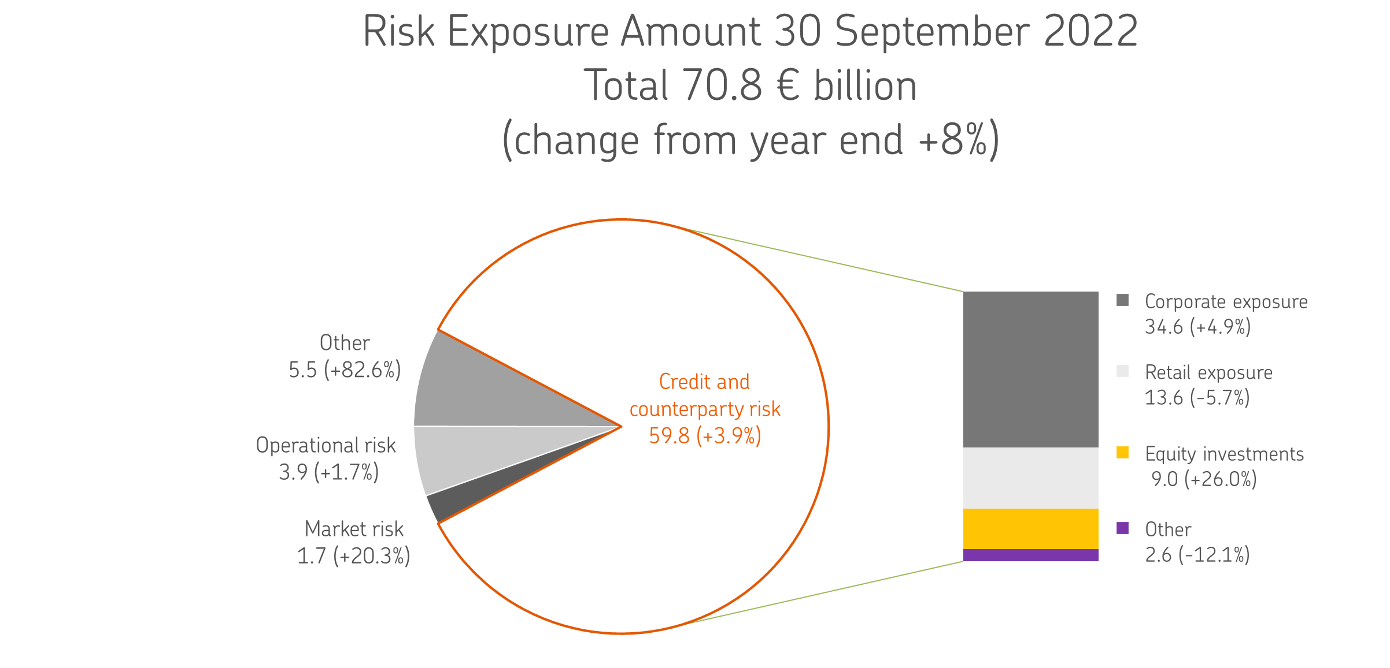
The changes in the EU Capital Requirements Regulation (CRR3), which implement the final elements of Basel III, are assessed to not have a substantial effect on the capital adequacy of OP Financial Group.

On 25 April 2019, OP Financial Group received the ECB’s decision on increases in the risk weights of mortgage-backed retail exposures as part of the targeted review of internal models (TRIM). These risk weight increases will be valid until further notice, until the qualitative requirements set out in the decision have been met. On 19 February 2020, OP Financial Group received the ECB’s decision concerning the change in the definition of default, in which the ECB set risk weighting factors for corporate and retail exposures. These risk-weighting factors will be valid until the qualitative requirements set out in the decision have been met. On 11 December 2020, OP Financial Group received the ECB’s decision concerning increases in the risk weights of retail exposures. The decision overruled the ECB’s earlier decision issued on 2 February 2017. On 18 March 2021, OP Financial Group received the ECB’s decision concerning an increase in the risk parameter of corporate exposures. This risk parameter factor will be valid until the qualitative requirements set out in the decision have been met.

Table 1.3
1.3 Capital Ratios

Ratios, % | 30 Sep 2022 | 31 Dec 2021
CET1 capital ratio | 17.72 | 18.20
Tier 1 ratio | 17.72 | 18.20
Capital adequacy ratio | 19.71 | 20.41

Ratios, fully loaded, % | 30 Sep 2022 | 31 Dec 2021
CET1 capital ratio | 17.72 | 18.20
Tier 1 ratio | 17.72 | 18.20
Capital adequacy ratio | 19.57 | 20.19

OP Financial Group’s CET1 ratio was 17.7% (18.2), which exceeds the minimum regulatory requirement by 5.9 percentage points. The ratio decreased by one percentage point following the adoption of the SA floor. The ratio was improved by earnings performance and the issues of Profit Shares.

Capital requirement, EUR million | 30 Sep 2022 | 31 Dec 2021
Capital base | 13,959 | 13,413
Capital requirement | 9,755 | 9,041
Buffer for capital requirements | 4,204 | 4,373

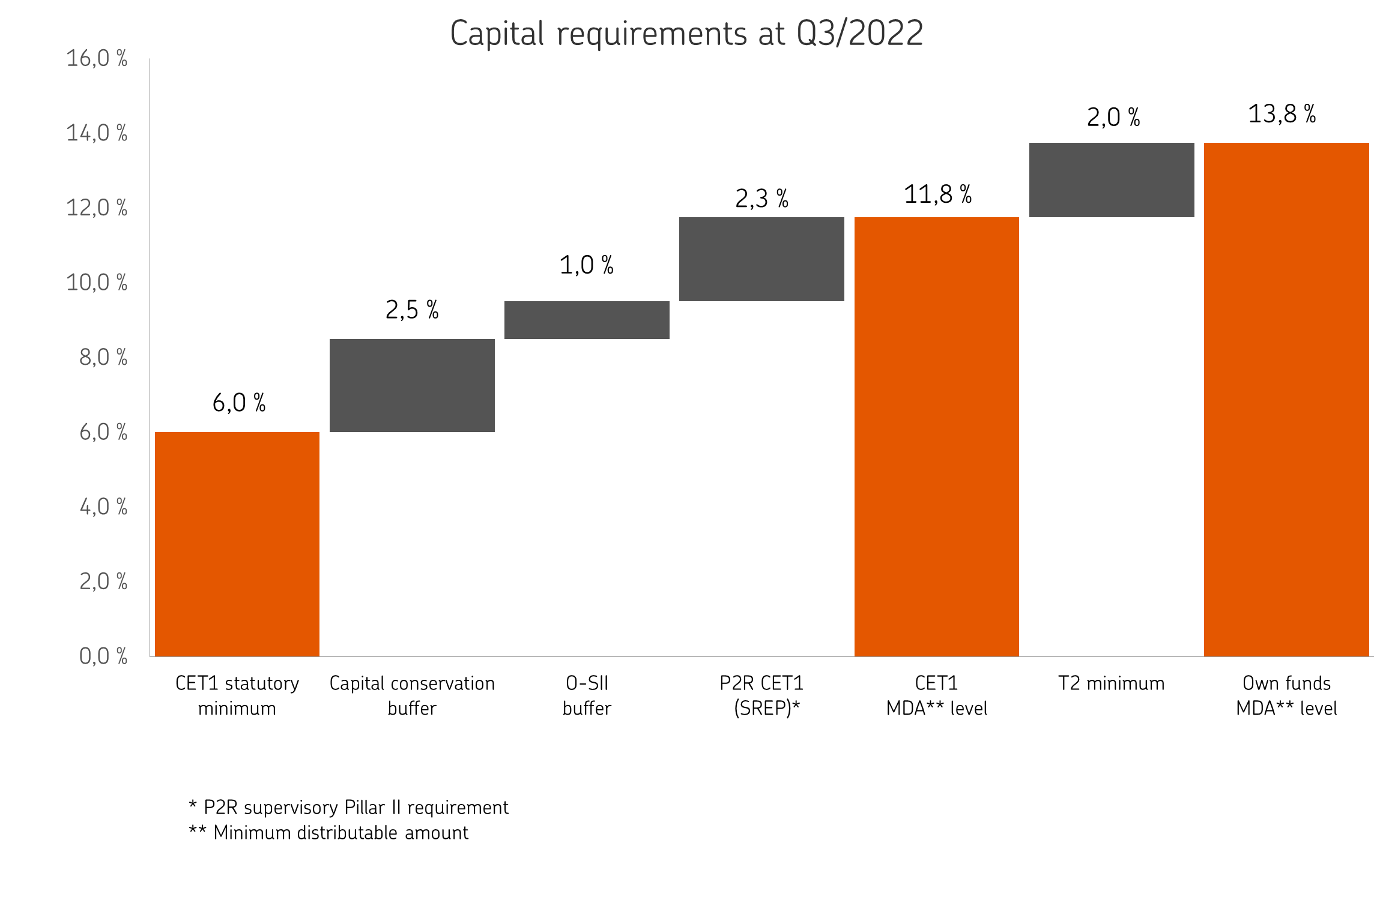
As a credit institution, OP Financial Group’s capital adequacy is on a solid basis compared to the statutory requirements and those set by the authorities. The statutory minimum for the capital adequacy ratio is 8% and for the CET1 ratio 4.5%; the AT1 minimum requirement of 1.5% increases the minimum CET1 ratio to 6%. The requirement for the capital conservation buffer of 2.5% under the Act on Credit Institutions, the O-SII buffer of 1% and the ECB’s P2R requirement increase, in practice, the minimum total capital ratio to 13.8% and the minimum CET1 ratio to 11.8%, including the shortfalls of Additional Tier 1 (AT1) and Tier 2 (T2) capital. The Finnish Financial Supervisory Authority (FIN-FSA) makes a macroprudential policy decision on a quarterly basis. In September 2022, the FIN-FSA reiterated its decision not to impose a countercyclical capital buffer requirement on banks. In connection with its macroprudential policy decision of June 2022, the FIN-FSA performed an annual review of banks’ capital buffer requirements and decided to raise OP Financial Group’s O-SII buffer by 0.5 percentage points to 1.5%, effective as of 1 January 2023.

